Results
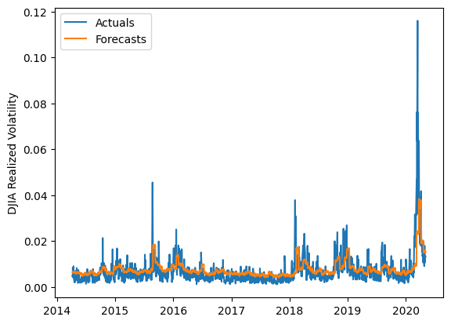
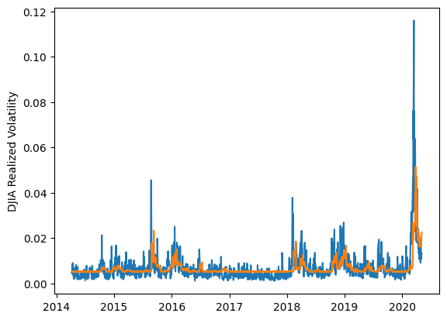
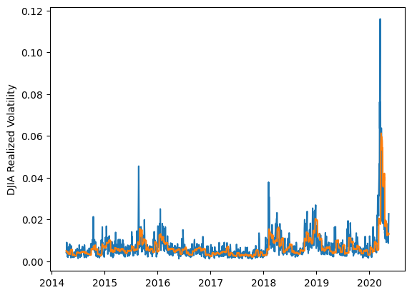
 | LSTM |  |  | TCN |  |  | NBEATSx |  |  |  |  | LSTM |  |  | TCN |  |  | NBEATSx
 | Accuracy | RMSE | Qlike | Accuracy | RMSE | Qlike | Accuracy | RMSE | Qlike |  |  | Accuracy | RMSE | Qlike | Accuracy | RMSE | Qlike | Accuracy | RMSE | Qlike
Trial 1 | 39.07% | 0.310% | 0.201 | 48.77% | 0.291% | 0.165 | 58.04% | 0.287% | 0.151 |  | Mean | 55.22% | 0.287% | 0.147 | 49.09% | 0.291% | 0.166 | 58.17% | 0.284% | 0.149
Trial 2 | 48.66% | 0.290% | 0.161 | 52.25% | 0.284% | 0.152 | 59.09% | 0.280% | 0.152 |  | Standard Deviation | 6.13% | 0.018% | 0.032 | 3.89% | 0.008% | 0.016 | 0.47% | 0.002% | 0.003
Trial 3 | 53.06% | 0.277% | 0.144 | 45.00% | 0.299% | 0.177 | 57.96% | 0.285% | 0.149 |  | 95% CI upper bound | 67.47% | 0.322% | 0.211 | 56.86% | 0.308% | 0.198 | 59.12% | 0.288% | 0.156
Trial 4 | 53.30% | 0.339% | 0.234 | 53.19% | 0.288% | 0.152 | 58.30% | 0.285% | 0.151 |  | 95% CI lower bound | 42.97% | 0.252% | 0.083 | 41.31% | 0.274% | 0.135 | 57.23% | 0.280% | 0.143
Trial 5 | 57.03% | 0.277% | 0.130 | 41.92% | 0.303% | 0.197 | 57.91% | 0.284% | 0.147 |  | 99.7% CI upper bound | 73.60% | 0.340% | 0.244 | 60.75% | 0.317% | 0.214 | 59.59% | 0.290% | 0.159
Trial 6 | 57.45% | 0.275% | 0.133 | 48.85% | 0.293% | 0.168 | 58.50% | 0.283% | 0.150 |  | 99.7% CI lower bound | 36.84% | 0.234% | 0.051 | 37.42% | 0.266% | 0.119 | 56.75% | 0.278% | 0.140
Trial 7 | 60.26% | 0.275% | 0.121 | 51.88% | 0.282% | 0.156 | 58.19% | 0.283% | 0.147
Trial 8 | 59.36% | 0.285% | 0.128 | 48.08% | 0.290% | 0.169 | 57.67% | 0.285% | 0.149
Trial 9 | 56.66% | 0.272% | 0.131 | 49.38% | 0.291% | 0.165 | 58.68% | 0.283% | 0.150
Trial 10 | 60.17% | 0.290% | 0.137 | 46.40% | 0.294% | 0.173 | 58.27% | 0.282% | 0.143
Trial 11 | 46.76% | 0.291% | 0.168 | 53.43% | 0.283% | 0.149 | 58.64% | 0.285% | 0.154
Trial 12 | 59.22% | 0.294% | 0.146 | 48.73% | 0.287% | 0.166 | 57.88% | 0.285% | 0.151
Trial 13 | 57.69% | 0.279% | 0.128 | 52.44% | 0.285% | 0.153 | 58.52% | 0.281% | 0.149
Trial 14 | 59.95% | 0.276% | 0.123 | 42.15% | 0.313% | 0.201 | 57.63% | 0.288% | 0.153
Trial 15 | 59.68% | 0.277% | 0.124 | 53.79% | 0.287% | 0.150 | 57.29% | 0.285% | 0.143

 | LSTM (best trial) |  |  |  |  |  |  |  |  | TCN (best trial) |  |  |  |  |  |  |  |  | NBEATSx (best trial)

